手順書
操作手順書 |  |  |  |  | 作成日時：2019/10/24-17:52:34

 | １．操作環境

 |  |  | シナリオファイル名 | C:\Users\Administrator\Desktop\動作確認手順\ストアド起動(HKKBP00).winsnr

 | ２．操作手順

 |  | ２．１．シナリオ：ストアド起動(HKKBP00)
 |  |  | ２．１．１．[左シングルクリック] [CNT_USR1@CORCL - [OSqlEdit5 *]]ウィンドウ - [SQL実行]ボタン |  |  | 確認日 | 結果
 |  |  | 画面 | 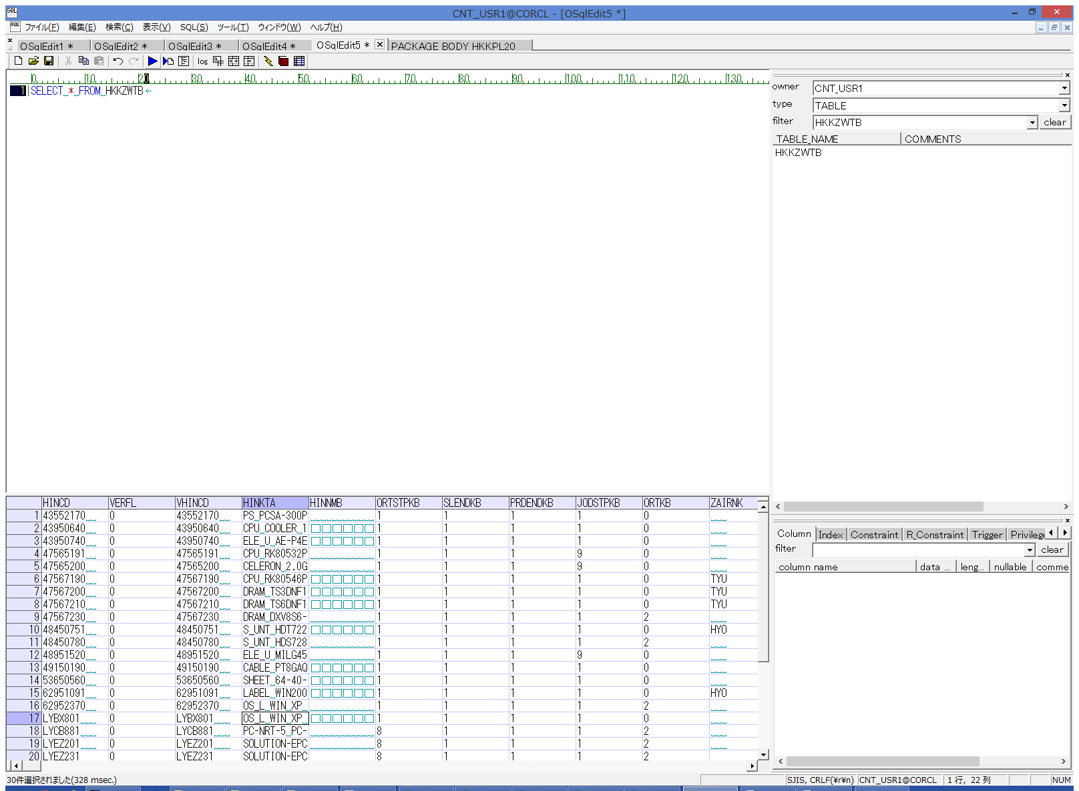
 |  |  | 操作内容 | HKKZWTB抽出用のSQL(別紙参照)を実行します

 |  |  | ２．１．２．[左シングルクリック] [デスクトップ]ウィンドウ - [TAB区切り(カラム名付き)]メニュー項目 |  |  | 確認日 | 結果
 |  |  | 画面 | 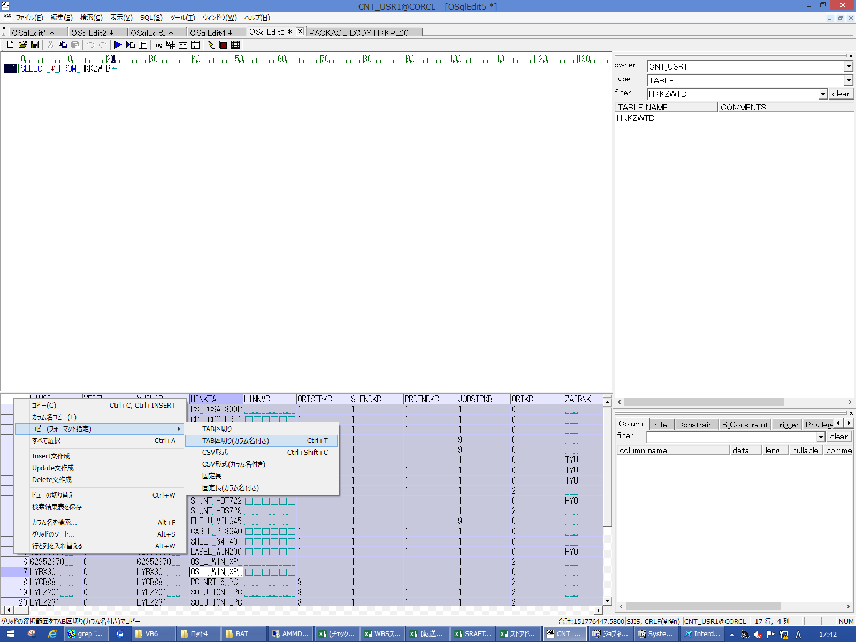
 |  |  | 操作内容 | 抽出されたデータをTAB区切りで保存し、実行SQLシートに貼り付けます。

 |  |  | ２．１．３．[左シングルクリック] [AMMDB54 - リモート デスクトップ接続]ウィンドウ - [Input Capture Window]ウィンドウ |  |  | 確認日 | 結果
 |  |  | 画面 | 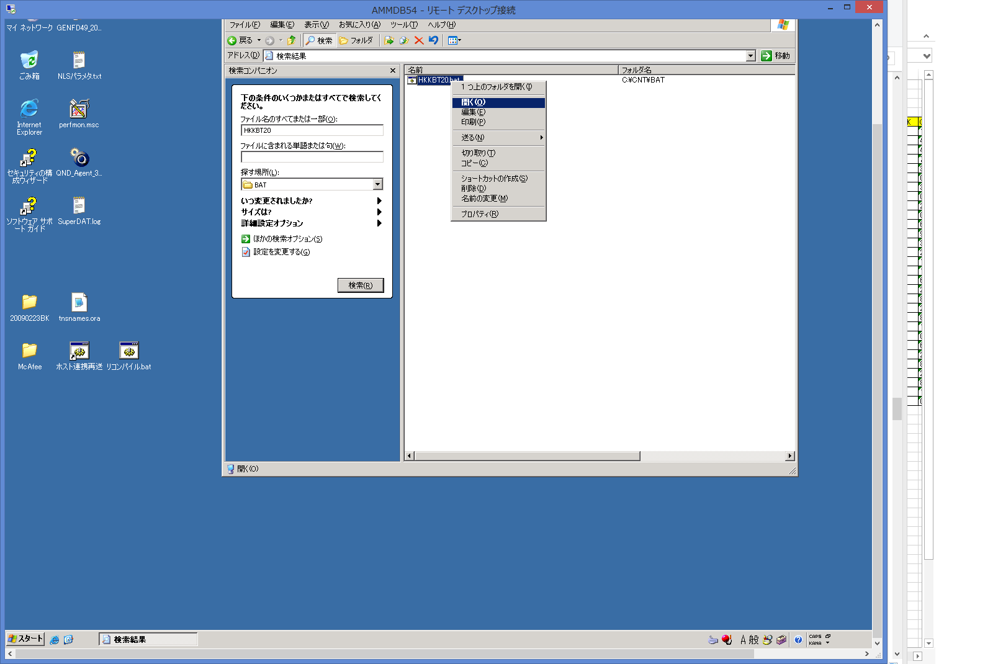
 |  |  | 操作内容 | AMMDB54にリモート接続し、C:\CNT\BAT\HKKBT20.batを右クリックし、「開く」ボタンをクリックします。

 |  |  | ２．１．４．[左シングルクリック] [CNT_USR1@CORCL - [OSqlEdit5 *]]ウィンドウ - [SQL実行]ボタン |  |  | 確認日 | 結果
 |  |  | 画面 | 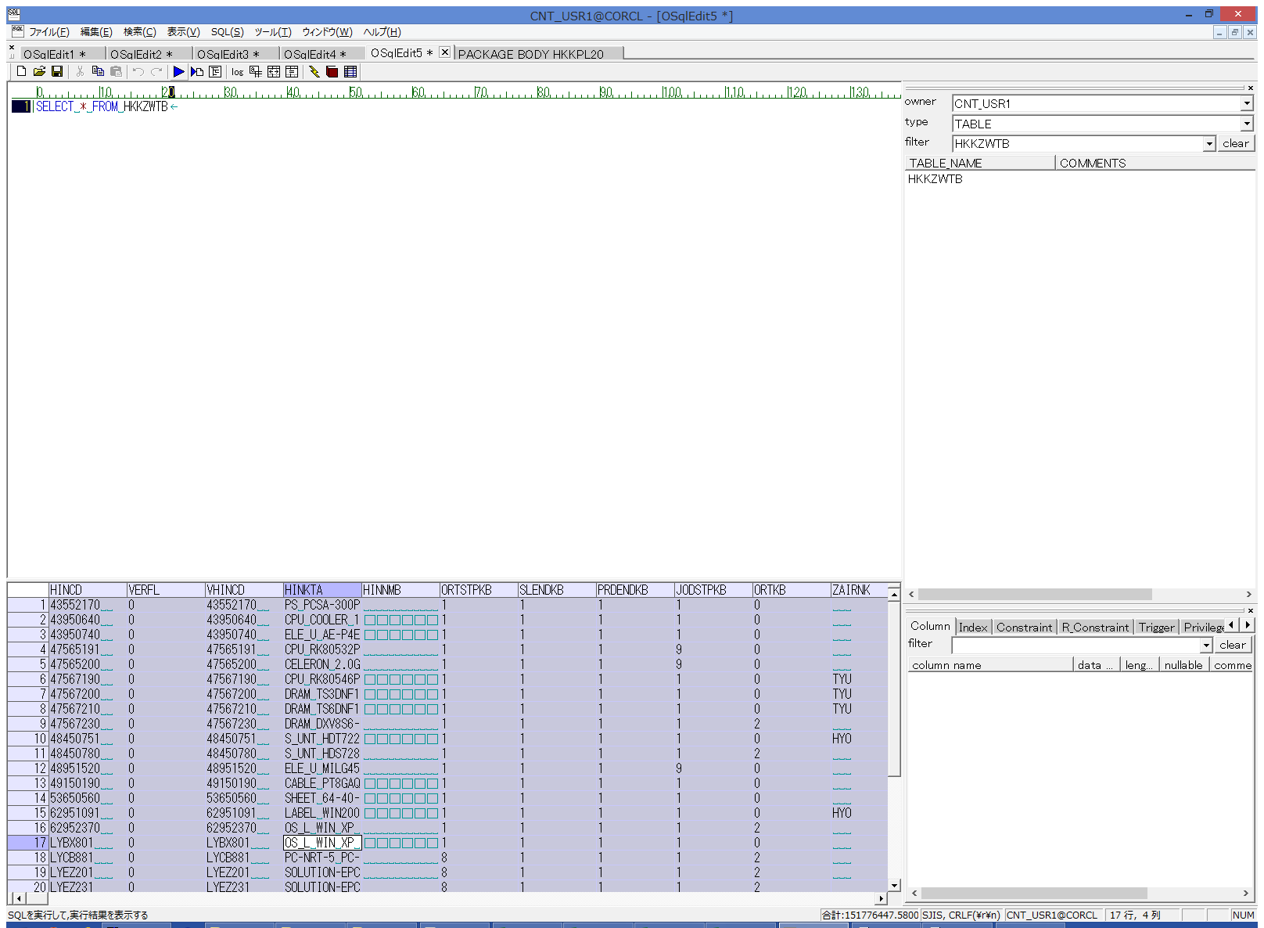
 |  |  | 操作内容 | HKKZWTB抽出用のSQL(別紙参照)を実行します

 |  |  | ２．１．６．[左シングルクリック] [デスクトップ]ウィンドウ - [TAB区切り(カラム名付き)]メニュー項目 |  |  | 確認日 | 結果
 |  |  | 画面 | 
 |  |  | 操作内容 | 抽出されたデータをTAB区切りで保存し、実行SQLシートに貼り付けます。下記項目が実行日付および実行日時に更新されていることを確認します WRTTM,WRTDT,WRTFSTTM,WRTFSTDT(NP~NS列)

